OBFCE
OBFCE | Old Bridge Mutual Fund
 | Monthly Portfolio Statement as on July 31, 2026
 | Old Bridge Focused Fund

 | Name of the Instrument | ISIN | Industry* | Quantity | Market/Fair Value (Rs. in Lakhs) | % to Net Assets | YTM
 | Equity & Equity related
 | (a) Listed / awaiting listing on Stock Exchanges
SHTR02 | Shriram Finance Limited | INE721A01047 | Finance | 2,899,738 | 30,351.56 | 7.60
REIN02 | Redington Limited | INE891D01026 | Commercial Services & Supplies | 7,770,500 | 24,993.81 | 6.26
AUPH03 | Aurobindo Pharma Limited | INE406A01037 | Pharmaceuticals & Biotechnology | 1,513,765 | 23,920.51 | 5.99
MAUD01 | Maruti Suzuki India Limited | INE585B01010 | Automobiles | 164,604 | 23,429.73 | 5.87
BTVL02 | Bharti Airtel Limited | INE397D01024 | Telecom - Services | 1,170,000 | 23,072.40 | 5.78
PREP01 | Prestige Estates Projects Limited | INE811K01011 | Realty | 1,163,937 | 18,811.55 | 4.71
TELC03 | Tata Motors Passenger Vehicles Limited | INE155A01022 | Automobiles | 5,483,926 | 18,631.64 | 4.66
RAFO02 | Ramkrishna Forgings Limited | INE399G01023 | Auto Components | 2,809,000 | 18,290.80 | 4.58
INAV01 | InterGlobe Aviation Limited | INE646L01027 | Transport Services | 340,541 | 17,609.38 | 4.41
HZIN02 | Hindustan Zinc Limited | INE267A01025 | Non - Ferrous Metals | 3,156,000 | 17,017.15 | 4.26
RAKH02 | Radico Khaitan Limited | INE944F01028 | Beverages | 376,500 | 16,343.11 | 4.09
TISC03 | Tata Steel Limited | INE081A01020 | Ferrous Metals | 7,911,000 | 15,006.38 | 3.76
GLLS01 | Alivus Life Sciences Limited | INE03Q201024 | Pharmaceuticals & Biotechnology | 1,219,512 | 14,146.34 | 3.54
GRAN02 | Granules India Limited | INE101D01020 | Pharmaceuticals & Biotechnology | 1,650,500 | 13,610.85 | 3.41
UTIB02 | Axis Bank Limited | INE238A01034 | Banks | 1,075,000 | 13,217.13 | 3.31
HINI02 | Hindalco Industries Limited | INE038A01020 | Non - Ferrous Metals | 1,337,342 | 13,031.73 | 3.26
IEEL02 | Indian Energy Exchange Limited | INE022Q01020 | Capital Markets | 8,093,600 | 10,702.98 | 2.68
JUFL02 | Jubilant Foodworks Limited | INE797F01020 | Leisure Services | 2,250,000 | 9,860.63 | 2.47
BARB01 | United Foodbrands Limited | INE382M01027 | Leisure Services | 1,380,000 | 9,682.77 | 2.42
ACEQ02 | Action Construction Equipment Limited | INE731H01025 | Agricultural, Commercial & Construction Vehicles | 850,579 | 9,103.75 | 2.28
KAVS02 | Kaveri Seed Company Limited | INE455I01029 | Agricultural Food & other Products | 1,138,500 | 8,908.19 | 2.23
GREA03 | The Great Eastern Shipping Company Limited | INE017A01032 | Transport Services | 576,617 | 7,786.64 | 1.95
MEAH02 | Medi Assist Healthcare Services Limited | INE456Z01021 | Insurance | 1,703,565 | 6,098.76 | 1.53
ANTO01 | Antony Waste Handling Cell Limited | INE01BK01022 | Other Utilities | 662,555 | 2,827.78 | 0.71
 | Sub Total |  |  |  | 366,455.57 | 91.76
 | (b) Unlisted |  |  |  | Nil | Nil | Nil
 | Sub Total |  |  |  | Nil | Nil | Nil
 | Total |  |  |  | 366,455.57 | 91.76
 | Money Market Instruments
 | TREPS / Reverse Repo
TRP_030826 | Triparty Repo |  |  |  | 34,090.77 | 8.53 | 4.94%
 | Sub Total |  |  |  | 34,090.77 | 8.53
 | Total |  |  |  | 34,090.77 | 8.53
 | Net Receivables / (Payables) |  |  |  | (1,069.24) | (0.29)
 | GRAND TOTAL |  |  |  | 399,477.10 | 100.00

 | YTM - Yield To Maturity
 | * Industry Classification is as recommended by AMFI

 | Notes :
 | (1) The provision made for securities classified as below investment grade or default as of Jul 31, 2026 is Rs.Nil and its percentage to Net Asset Value is Nil.
 | (2) Details of security in default beyond it's maturity date: Nil
 | (3) Plan/ Option wise per unit net asset value are as follows:
 | Plan/ Option | NAV Rs. per unit as on Jun 30 2026 | NAV Rs. per unit as on Jul 31 2026
 | Regular IDCW | 13.15 | 13.42
 | Regular Growth | 13.15 | 13.42
 | Direct IDCW | 13.49 | 13.78
 | Direct Growth | 13.49 | 13.78
 | (4) Portfolio turnover ratio: 0.19
 | (5) Total Value and percentage of illiquid equity shares: Nil
 | (6) Total outstanding exposure in derivative instruments as on Jul 31, 2026: Nil
 | (7) Total investments in Foreign Securities / Overseas ETFs as on Jul 31, 2026 and its percentage to NAV : Nil
 | (8) Investment in Repo of Corporate Debt securities : Nil
 | (9) The Scheme did not declare any Income Distribution cum Capital Withdrawal during the month ended Jul 31, 2026.
 | (10) The Scheme did not declare any bonus during the month ended Jul 31, 2026.
 | (11) Investment in Fixed Deposits - NIL
 | (12) The Face Value per unit is Rs.10
 | (13) IDCW stands for Income Distribution cum Capital Withdrawal

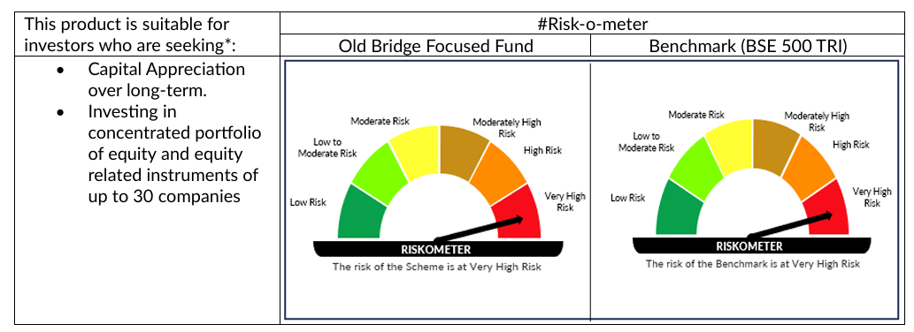

 | # For latest riskometer, investors may refer to the Monthly Portfolios disclosed on the website of the Fund viz. www.oldbridgemf.com
 | *Investors should consult their financial advisers if in doubt about whether the product is suitable for them

